Sheet1
Testing Platform | Windows 11 | android 14
Browser | Chrome / edge / firefox | chrome
ID | Title | descreption | steps | expected result | Actual result | ScreenShot
TC_1 | Login TC | User should login using gmail and display its user name | 1- go to login tab 2-click login 3-choose your gmail account | User name displayed at profile page | User name isn't displayed | 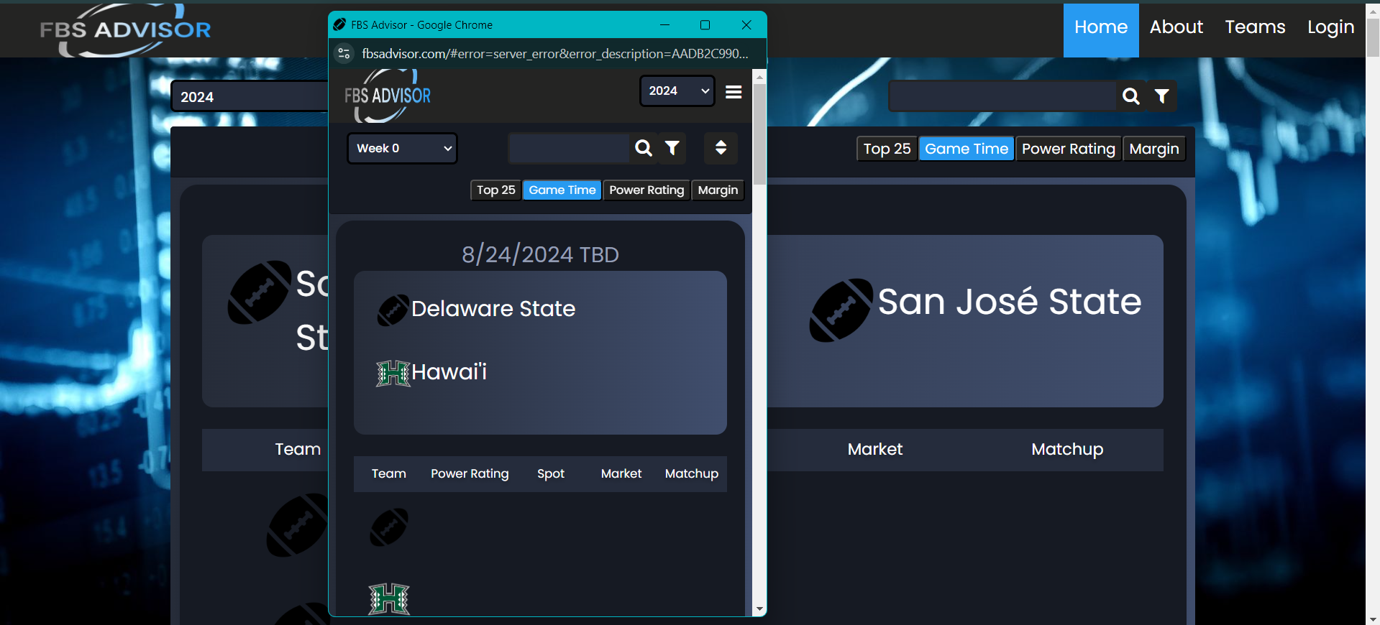
TC_2 | Sort and Filter option | User should filter displayed match list as (today's only ) | 1- Go to filter icon 2-Check today only | Page should only display matches for today | Page only display matches for today
TC_3 | Sort and Filter option | User should filter displayed match list as (Hide completed ) | 1- Go to filter icon 2-Check hide completed | Page should only display uncompleted matches | Page only display uncompleted matches
TC_4 | Option filter (Game time/rating / Margin) | User should filter displayed match list as from one of previous options | 1- Go to option button 2-Check option | Page Should display matches with current filter option | this options only work while choosing top25 option from the options list is choosen also
TC_5 | Search bar | user should search for targeted team and see the team displayed on the teams list | 1- Go to Search bar 2-Type any team name you want | Page Should display teams with current Search option | Page display teams with current Search option
Mobile testing
TC_6 | Sort and Filter option | User should filter displayed match list as (Hide completed/Today's only ) | 1- Go to filter icon 2-Check hide completed | 1-Page should only display matches for today 2-Page should only display uncompleted matches | Filter option isn't displayed in the ui/ux and only appears under the page filters | 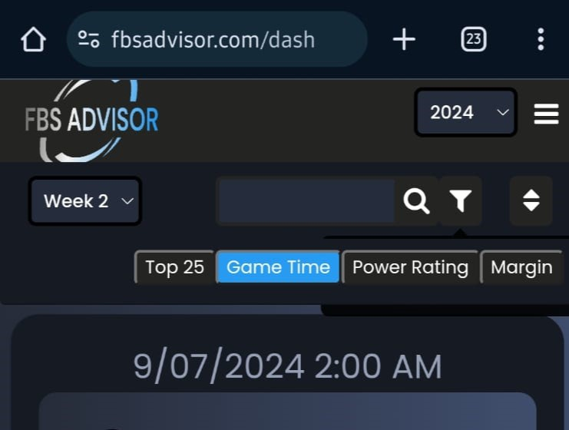
TC_7 | Option filter (Game time/rating / Margin) | User should filter displayed match list as from one of previous options | 1- Go to option button 2-Check option | Page Should display matches with current filter option | this options only work while choosing top25 option from the options list is choosen also
Overall review of website from mobile based on requirments
All factors that appear are visible | ❌
Tooltips can clearly show dialog on screen | ✔️
Loading screen should eventually load game data | ✔️
it should be easy to navigate between years and weeks | ✔️
Tooltips should appear on dialog screen without shifting screen or appearing off screen | ✔️

